Regression
SUMMARY OUTPUT

Regression Statistics |  |  |  |  |  |  |  |  | The Significant F value <0.1, shows there is a significant relation between independent & dependent variable.
Multiple R | 0.74818800575 |  |  |  |  |  |  |  | Accuracy of our model- The Adjusted R square is 0.55, should be more than 0.4-0.5, meaning the independent variable are good enough to predict the value of dependent variable.
R Square | 0.55978529195 |  |  |  |  |  |  |  | Impact of Independent Variable-
Adjusted R Square | 0.55757093225 |  |  |  |  |  |  |  | P-value tell about the significant relation between that independent variable and dependent variable. Should be less than 0.1.
Standard Error | 8264.5513784 |  |  |  |  |  |  |  | In our model every independent variable is less than 0.1 except for 'Estimated Population in Vicinity'. Meaning the variable has no signifcant impact on dependent variable.
Observations | 1000 |  |  |  |  |  |  |  | Co-efficient for Location is -18,843, meaning the revenue from our store is going to decrease by this value if located in residential area. If located in commercial area the value will increase by 18,843.
 |  |  |  |  |  |  |  |  | Co-efficient for Metro is 4066, meaning the store located in metro will have this value higher vs located in non-metro area.
ANOVA |  |  |  |  |  |  |  |  | Co-efficient fot Marketing Sales Investment is 0.407, meaning for every 1 unit increase in investment, the revenue will increase by 0.4.
 | df | SS | MS | F | Significance F |  |  |  | Co-efficient for Avg houshold Income is 0.44, meaning the revenue will increase from that vicinity by 0.44 units.
Regression | 5 | 86334004759 | 17266800952 | 252.79781434 | 2.7981813215E-174
Residual | 994 | 67892992630 | 68302809.487
Total | 999 | 1.5422699739E+11

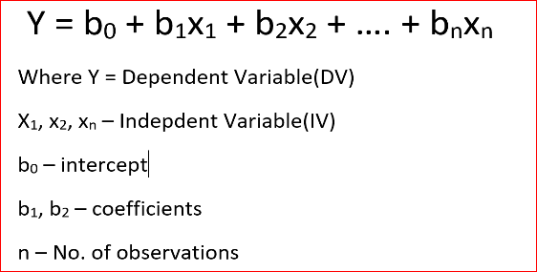
 | Coefficients | Standard Error | t Stat | P-value | Lower 95% | Upper 95% | Lower 95.0% | Upper 95.0%
Intercept | 54941.378376 | 2598.8974003 | 21.140264471 | 3.2717497666E-82 | 49841.423136 | 60041.333615 | 49841.423136 | 60041.333615
Location_residential | -18843.355145 | 660.55638224 | -28.52649017 | 3.0055312114E-131 | -20139.60023 | -17547.110059 | -20139.60023 | -17547.110059
City type_Metro | 4066.4750217 | 525.16020372 | 7.7433038393 | 2.3788588568E-14 | 3035.9250922 | 5097.0249512 | 3035.9250922 | 5097.0249512
Marketing Sales Investment | 0.4074095823 | 0.039408168028 | 10.338201512 | 7.2806663203E-24 | 0.33007682841 | 0.48474233618 | 0.33007682841 | 0.48474233618
Estimated Population in vicinity | 0.031555142052 | 0.08927965651 | 0.35344157096 | 0.72383237082 | -0.14364309854 | 0.20675338264 | -0.14364309854 | 0.20675338264
Average Household Income | 0.44607997161 | 0.031113280353 | 14.337285125 | 1.627851277E-42 | 0.38502471904 | 0.50713522417 | 0.38502471904 | 0.50713522417

.

Sample
 | Type of Location | City type | Location_Residential | City_Metro | Marketing Sales Investment | Estimated Population in vicinity | Average Household Income | Revenue
1 | Commercial | Non-Metro | 0 | 0 | 60,298.00 | 13134 | 11400
2 | Residential | Metro | 1 | 1 | 49,944.00 | 16716 | 10800
3 | Residential | Metro | 1 | 1 | 53,124.00 | 10348 | 16800
4 | Residential | Metro | 1 | 1 | 51,141.00 | 16119 | 19800
5 | Residential | Metro | 1 | 1 | 57,879.00 | 14726 | 19200
6 | Residential | Non-Metro | 1 | 0 | 54,340.00 | 14527 | 18600
7 | Residential | Non-Metro | 1 | 0 | 67,610.00 | 8358 | 27600
8 | Residential | Non-Metro | 1 | 0 | 55,637.00 | 11144 | 22200
9 | Residential | Metro | 1 | 1 | 53,396.00 | 7960 | 22200
10 | Residential | Non-Metro | 1 | 0 | 53,133.00 | 9353 | 36000
11 | Residential | Metro | 1 | 1 | 49,497.00 | 9950 | 15000
12 | Commercial | Non-Metro | 0 | 0 | 50,197.00 | 13134 | 37200
13 | Residential | Metro | 1 | 1 | 63,234.00 | 14527 | 13800
14 | Residential | Non-Metro | 1 | 0 | 60,059.00 | 14129 | 33600
15 | Commercial | Metro | 0 | 1 | 66,487.00 | 9950 | 16200
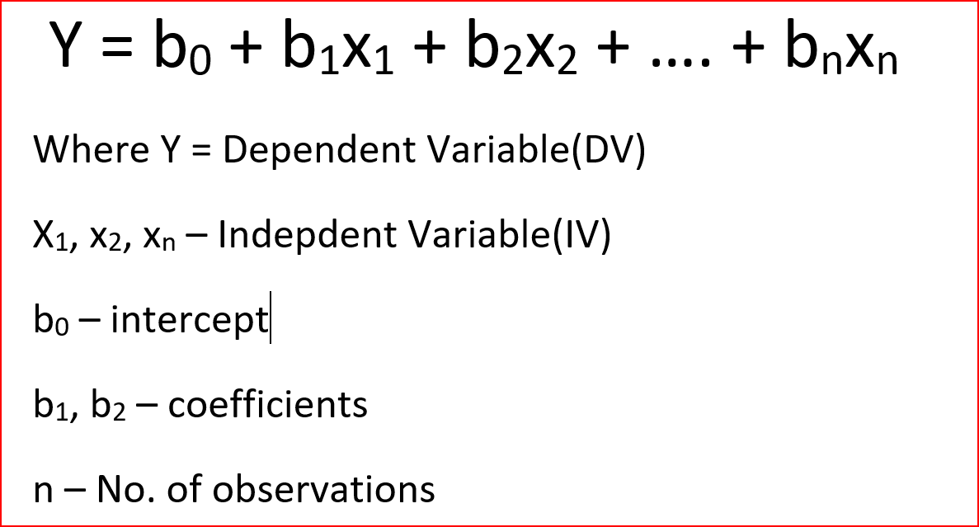

 |  |  |  |  |  |  | 25000

New store | Commercial | Metro | 0 | 1 | 55,000 | 12000

